YANKEE
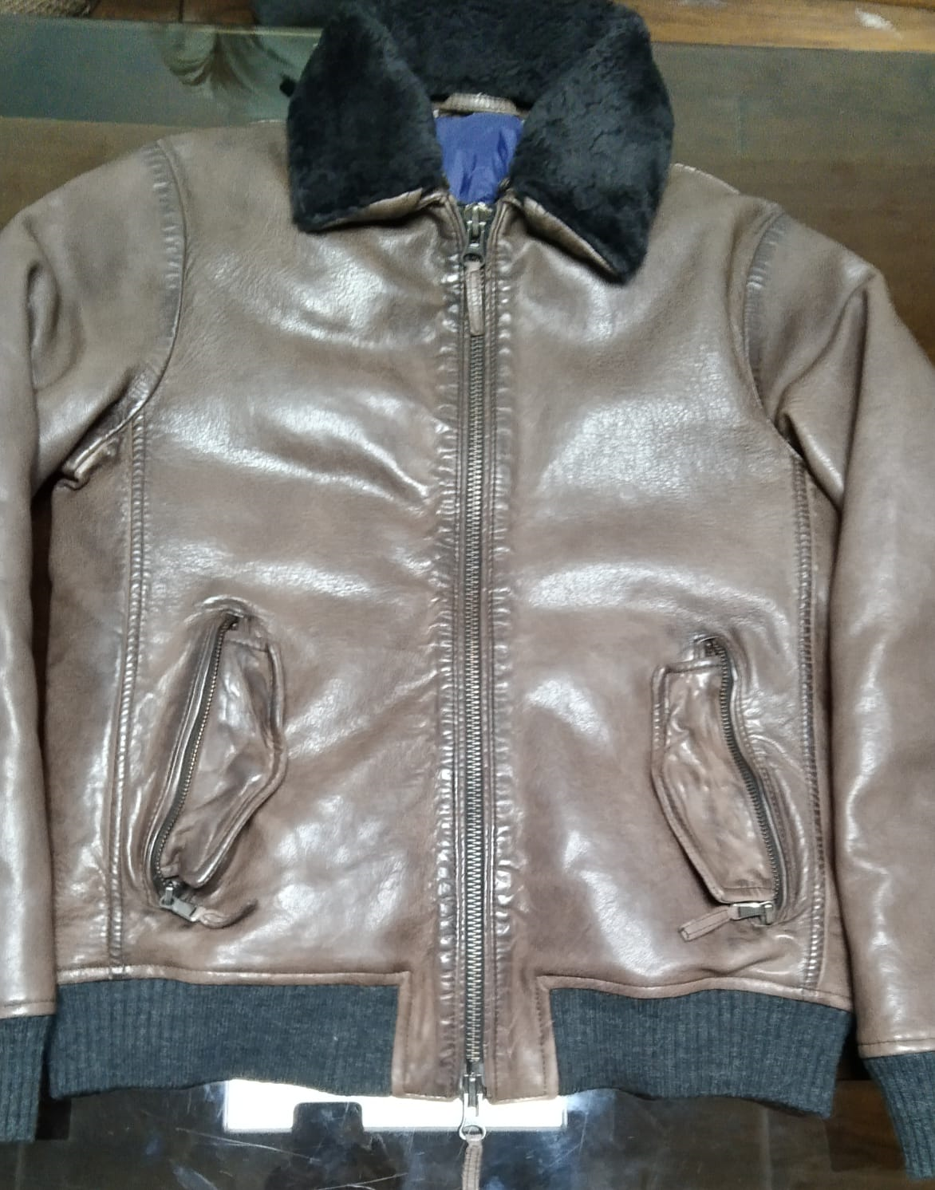
PAKKAR TANVEER EXPORTS
FACTORY STYLE
STYLE NO : YANKEE SHEEP NATURAL GRAIN

Buyer Po: John Peter s.r.l.

Style Group | Material | Colour | UOM | Norms | Total Qty | Price | Per Pair Amount | AMOUNT | GST |  | AMOUNT WITH GST
SHEEP |  |  |  |  |  |  |  |  | RATE | AMOUNT
 | SHEEP D.D NATURALGRAIN | GREEN | DCM | 345.00 | 345.00 | 8 | 2760 | 2760.00 | 5% | 138.00 | 2898.00

 |  |  |  |  | 1.00 |  | 2760 | 2760.00 |  | 138.00 | 2898.00

 |  |  | No GST |  | Per Pair | 2760.00
 |  |  | With GST |  | Per Pair | 2898.00

LINING | POLYSTER SATIIN LINING | GREEN | MTR | 1.75 | 1.75 | 48 | 84 | 84.00 | 12% | 10.08 | 94.08
 | BODY BUYER LINING WOOLEN | GREEN | MTR | 1.75 | 1.75 |  | 0 | 0.00 | 12% | 0.00 | 0.00
 | 100 GSM PADDING FILLING |  |  | 2.5 | 2.50 | 45 | 112.5 | 112.50 | 12% | 13.50 | 126.00
 | ARMY RIB USED SINGLE FOR CUFFS AND BOTTOM 750 per kg |  |  | 2 | 2.00 | 100 | 200 | 200.00 | 12% | 24.00 | 224.00

THREADS | TKT-30 | GREEN | BOX | 100 | 100.00 | 125 | 12.5 | 12.50 | 12% | 1.50 | 14.00
 | TKT-60 | GREEN | BOX | 100 | 100.00 | 257 | 5.14 | 5.14 | 12% | 0.62 | 5.76
 | TKT 50 | GREEN | BOX | 50 | 50.00 | 162 | 8.1 | 8.10 | 12% | 0.97 | 9.07

FUSING | FUSING | GREY | MTS | 1 | 1.00 | 14 | 14 | 14.00 | 18% | 2.52 | 16.52
 | SOLUTIONS | NA | LITTER | 0.15 | 0.15 | 88 | 13.2 | 13.20 | 18% | 2.38 | 15.58
 | PAKKA TAP 3 MM | WHITE | MTS | 3.75 | 3.75 | 0.6875 | 2.578125 | 2.58 | 18% | 0.46 | 3.04
 | FULL FUSING WITH BEST FABRIC 32 Rupees per mts | GREEN | MTS | 2.1 | 2.10 | 40 | 84 | 84.00 | 18% | 15.12 | 99.12

ZIP | No: 8 Two way Gun Metal high shiny lampo puller | NA | NOS | 1 | 1 | 175 | 175 | 175.00 | 12% | 21.00 | 196.00 | 1.9 | 161.5
 | No: 5 Closed end Gun Metal high shiny lampo puller | NA | NOS | 2 | 2 | 75 | 150 | 150.00 | 12% | 18.00 | 168.00 | 0.7 | 59.5

 | TEATMENTS CHARGES |  | NOS | 1 | 1 | 250 | 250 | 250.00 | 12% | 30.00 | 280.00

LABELS | MAIN LABEL | NA | NOS | 1 | 1.00 | 32 | 32 | 32.00 | 12% | 3.84 | 35.84
 | CARE LABEL | NA | NOS | 1 | 1.00 | 3.5 | 3.5 | 3.50 | 12% | 0.42 | 3.92
 | SIZE LABEL | NA | NOS | 1 | 1.00 | 4 | 4 | 4.00 | 12% | 0.48 | 4.48

PACKING MATERIALS | TAG | NA | NOS | 1 | 1.00 | 38 | 38 | 38.00 | 18% | 6.84 | 44.84
 | STICKER | NA | NOS | 1 | 1.00 | 5 | 5 | 5.00 | 18% | 0.90 | 5.90
 | POLY BAG | NA | KG | 1 | 1.00 | 12 | 12 | 12.00 | 18% | 2.16 | 14.16
 | BOX INNER PLY COVER | NA | KG | 0.2 | 0.20 | 115 | 15 | 15.00 | 18% | 2.70 | 17.70
 | TISSU PAPPER | NA | RIM | 2 | 2.00 | 1.35 | 2.7 | 2.70 | 18% | 0.49 | 3.19
 | BOXES | NA | NOS | 0.07 | 0.07 | 168 | 11.76 | 11.76 | 18% | 2.12 | 13.88
 | PACKING TAPE | BROWN | ROLL | 0.1 | 0.10 | 54 | 5.4 | 5.40 | 18% | 0.97 | 6.37
 |  |  |  |  |  |  | 1240.38 | 1240.38 |  | 161.06 | 1401.44
General | TESTING CHARGES-BUYER 1% |  | NOS | 0 | 1.00 | 0 | 0.00 | 0.00 | 18% | 0.00 | 0.00
 | GST CHARGE - 1% |  | NOS | 0 | 1.00 | 0 | 0.00 | 0.00 | 18% | 0.00 | 0.00
 | OFFICE O.H 6% | 6640.00 | NOS | 398.4 | 1.75 | 398.4 | 398.40 | 697.20 |  | 0.00 | 697.20
 | COMMISSION 7% |  | NOS | 0 | 1.00 | 0 | 0.00 | 0.00 |  | 0.00 | 0.00
. | DISCOUNT CHARGE 2.5% |  | NOS | 0 | 1.00 | 0 | 0.00 | 0.00 |  | 0.00 | 0.00
 | REJECTION 2% |  | NOS | 0 | 1.00 | 0 | 0.00 | 0.00 |  | 0.00 | 0.00
 | MAKING COST |  | NOS | 1000 | 1.00 | 1000 | 1000.00 | 1000.00 |  | 0.00 | 1000.00
 | Profit 10 % | 6640.00 | NOS | 664 | 1.00 | 664 | 664.00 | 664.00 |  | 0.00 | 664.00
C&F | FIRGHTCLEARING CHARGES |  | NOS | 350 | 1.00 | 350 | 350 | 350.00 |  | 0.00 | 350.00
 |  |  |  |  | 1.00 |  | 3652.78 | 3951.58 |  | 161.06 | 4112.64

 |  |  |  |  |  | With out GST
EURO | 83.00 | LEATHER PER PAIR |  |  |  | 2760.00
80 | 6640 | MATERIALS PER PAIR |  |  |  | 3951.58
 |  | Total Cost |  |  |  | 6711.58

 |  |  |  |  |  | 83.89
 |  |  | Materials
 |  |  | NO GST | 3951.58 | Per Pair
 |  |  | With GST | 4112.64 | Per Pair

 |  |  | With GST |  | No GST
 | LEATHER PER GARMENTS |  | 2898.00 |  | 2760.00
 | MATERIALS PER GARMENTS |  | 4112.64 |  | 3951.58
 | Total Cost |  | 7010.64 |  | 6711.58

 |  |  | 87.63 |  | 83.89

 | STYLE : MORENO SHEEP NATURAL GRAIN | DARK BROWN | 63 EURO

 | STYLE : MORENO SUEDE TREATED | DARK BROWN | 70 EURO

 | STYLE : TORNADO GOAT SUEDE | DARK GREEN | 65 EURO

SP74006(NAPPLAN)
PAKKAR TANVEER EXPORTS
FACTORY STYLE
STYLE NO : SP74006 ( NAPPLAN)
Buyer Po:

Style Group | Material | Colour | UOM | Norms | Total Qty | Price | Per Pair Amount | AMOUNT | GST |  | AMOUNT WITH GST
SHEEP |  |  |  |  |  |  |  |  | RATE | AMOUNT
 | GOAT NAPPALAN 360 | DARK RED | DCM | 375.00 | 375.00 | 11 | 4125 | 4125.00 | 5% | 206.25 | 4331.25
 | NAPPALAN CHARGES 11 SQFT
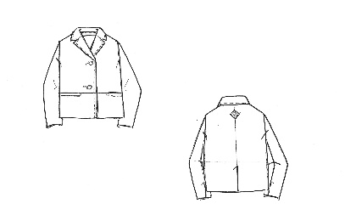
 |  |  |  |  | 1.00 |  | 4125 | 4125.00 |  | 206.25 | 4331.25

 |  |  | No GST |  | Per Pair | 4125.00
 |  |  | With GST |  | Per Pair | 4331.25

LINING | POLYSTER LINING | BLACK | MTR | 0.5 | 0.50 | 55 | 27.5 | 27.50 | 12% | 3.30 | 30.80

THREADS | TKT-30 | DARK RED | BOX | 100 | 100.00 | 61 | 6.1 | 6.10 | 12% | 0.73 | 6.83
 | TKT-60 | DARK RED | BOX | 100 | 100.00 | 257 | 5.14 | 5.14 | 12% | 0.62 | 5.76
 | TKT 50 | DARK RED | BOX | 50 | 50.00 | 162 | 8.1 | 8.10 | 12% | 0.97 | 9.07

FUSING | FUSING | GREY | MTS | 0.5 | 0.50 | 18 | 9 | 9.00 | 18% | 1.62 | 10.62
 | SOLUTIONS | NA | LITTER | 0.15 | 0.15 | 95 | 14.25 | 14.25 | 18% | 2.57 | 16.82
 | PAKKA TAP 3 MM | WHITE | MTS | 3.75 | 3.75 | 8 | 30 | 30.00 | 18% | 5.40 | 35.40

BUTTONS | l-36 |  | NOS | 3 | 3 | 15 | 45 | 45.00 | 12% | 5.40 | 50.40
 | l-18 |  | NOS | 3 | 3 | 2.5 | 7.5 | 7.50 | 12% | 0.90 | 8.40
LABELS | MAIN LABEL EMBORIRDY | NA | NOS | 1 | 1.00 | 30 | 30 | 30.00 | 12% | 3.60 | 33.60
 | MAIN LABEL BUYER | NA | NOS | 1 | 1.00 | 0 | 0 | 0.00 | 12% | 0.00 | 0.00
 | CARE LABEL | NA | NOS | 1 | 1.00 | 3.5 | 3.5 | 3.50 | 12% | 0.42 | 3.92
 | SIZE LABEL | NA | NOS | 1 | 1.00 | 3.5 | 4 | 3.50 | 12% | 0.42 | 3.92

PACKING MATERIALS | TAG | NA | NOS | 1 | 1.00 | 5 | 5 | 5.00 | 18% | 0.90 | 5.90
 | STICKER | NA | NOS | 1 | 1.00 | 5 | 5 | 5.00 | 18% | 0.90 | 5.90
 | POLY BAG | NA | KG | 1 | 1.00 | 12 | 12 | 12.00 | 18% | 2.16 | 14.16
 | BOX INNER PLY COVER | NA | KG | 0.2 | 0.20 | 115 | 15 | 15.00 | 18% | 2.70 | 17.70
 | TISSU PAPPER | NA | RIM | 2 | 2.00 | 1.35 | 2.7 | 2.70 | 18% | 0.49 | 3.19
 | BOXES | NA | NOS | 0.07 | 0.07 | 168 | 11.76 | 11.76 | 18% | 2.12 | 13.88
 | PACKING TAPE | BROWN | ROLL | 0.1 | 0.10 | 54 | 5.4 | 5.40 | 18% | 0.97 | 6.37
 |  |  |  |  |  |  | 246.95 | 246.45 |  | 36.18 | 282.63
General | TESTING CHARGES-BUYER 1% |  | NOS | 0 | 1.00 | 0 | 0.00 | 0.00 | 18% | 0.00 | 0.00
 | GST CHARGE - 1% |  | NOS | 0 | 1.00 | 0 | 0.00 | 0.00 | 18% | 0.00 | 0.00
 | OFFICE O.H 5% |  | NOS | 0 | 1.00 | 0 | 0.00 | 0.00 |  | 0.00 | 0.00
 | COMMISSION 6% | 6970.00 | NOS | 418.2 | 1.00 | 418.2 | 418.20 | 418.20 |  | 0.00 | 418.20
. | DISCOUNT CHARGE 2.5% |  | NOS | 0 | 1.00 | 0 | 0.00 | 0.00 |  | 0.00 | 0.00
 | REJECTION 2% |  | NOS | 0 | 1.00 | 0 | 0.00 | 0.00 |  | 0.00 | 0.00
 | MAKING COST |  | NOS | 1000 | 1.00 | 1000 | 1000.00 | 1000.00 |  | 0.00 | 1000.00
 | Profit 10 % | 6970.00 | NOS | 697 | 1.00 | 697 | 697.00 | 697.00 |  | 0.00 | 697.00
C&F | FIRGHTCLEARING CHARGES |  | NOS | 450 | 1.00 | 450 | 450.00 | 450.00 |  | 0.00 | 450.00
 |  |  |  |  | 1.00 |  | 2812.15 | 2811.65 |  | 36.18 | 2847.83

 |  |  |  |  |  | With out GST
EURO | 82.00 | LEATHER PER PAIR |  |  |  | 4125.00
85 | 6970 | MATERIALS PER PAIR |  |  |  | 2811.65
 |  | Total Cost |  |  |  | 6936.65
EURO | 73.37
95 | 6970.00 |  |  |  |  | 81.607647059
 |  |  | Materials
 |  |  | NO GST | 2811.65 | Per Pair
 |  |  | With GST | 2847.83 | Per Pair

 |  |  | With GST |  | No GST
 | LEATHER PER GARMENTS |  | 4331.25 |  | 4125.00
 | MATERIALS PER GARMENTS |  | 2847.83 |  | 2811.65
 | Total Cost |  | 7179.08 |  | 6936.65

 |  |  | 84.459771765 |  | 81.607647059

SP74007(NAPPLAN)
PAKKAR TANVEER EXPORTS
FACTORY STYLE
STYLE NO : SP74007(NAPPLAN)
Buyer Po:

Style Group | Material | Colour | UOM | Norms | Total Qty | Price | Per Pair Amount | AMOUNT | GST |  | AMOUNT WITH GST
SHEEP |  |  |  |  |  |  |  |  | RATE | AMOUNT
 | GOAT NAPPALAN -330 | Dusty Blue | DCM | 355.00 | 355.00 | 11 | 3905 | 3905.00 | 5% | 195.25 | 4100.25
 | NAPPALAN CHARGES 11 SQFT
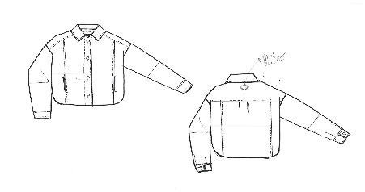
 |  |  |  |  | 1.00 |  | 3905 | 3905.00 |  | 195.25 | 4100.25

 |  |  | No GST |  | Per Pair | 3905.00
 |  |  | With GST |  | Per Pair | 4100.25

LINING | POLYSTER LINING | Dusty Blue | MTR | 0.3 | 0.30 | 55 | 16.5 | 16.50 | 12% | 1.98 | 18.48

THREADS | TKT-30 | Dusty Blue | BOX | 100 | 100.00 | 61 | 6.1 | 6.10 | 12% | 0.73 | 6.83
 | TKT-60 | Dusty Blue | BOX | 100 | 100.00 | 257 | 5.14 | 5.14 | 12% | 0.62 | 5.76
 | TKT 50 | Dusty Blue | BOX | 50 | 50.00 | 162 | 8.1 | 8.10 | 12% | 0.97 | 9.07

FUSING | FUSING | GREY | MTS | 0.5 | 0.50 | 18 | 9 | 9.00 | 18% | 1.62 | 10.62
 | SOLUTIONS | NA | LITTER | 0.15 | 0.15 | 95 | 14.25 | 14.25 | 18% | 2.57 | 16.82
 | PAKKA TAP 3 MM | WHITE | MTS | 3.75 | 3.75 | 8 | 30 | 30.00 | 18% | 5.40 | 35.40

BUTTONS | l-36 |  | NOS | 8 | 8 | 15 | 120 | 120.00 | 12% | 14.40 | 134.40
 | l-18 |  | NOS | 8 | 8 | 2.5 | 20 | 20.00 | 12% | 2.40 | 22.40
LABELS | MAIN LABEL EMBORIRDY | NA | NOS | 1 | 1.00 | 30 | 30 | 30.00 | 12% | 3.60 | 33.60
 | MAIN LABEL BUYER | NA | NOS | 1 | 1.00 | 0 | 0 | 0.00 | 12% | 0.00 | 0.00
 | CARE LABEL | NA | NOS | 1 | 1.00 | 3.5 | 3.5 | 3.50 | 12% | 0.42 | 3.92
 | SIZE LABEL | NA | NOS | 1 | 1.00 | 3.5 | 4 | 3.50 | 12% | 0.42 | 3.92

PACKING MATERIALS | TAG | NA | NOS | 1 | 1.00 | 5 | 5 | 5.00 | 18% | 0.90 | 5.90
 | STICKER | NA | NOS | 1 | 1.00 | 5 | 5 | 5.00 | 18% | 0.90 | 5.90
 | POLY BAG | NA | KG | 1 | 1.00 | 12 | 12 | 12.00 | 18% | 2.16 | 14.16
 | BOX INNER PLY COVER | NA | KG | 0.2 | 0.20 | 115 | 15 | 15.00 | 18% | 2.70 | 17.70
 | TISSU PAPPER | NA | RIM | 2 | 2.00 | 1.35 | 2.7 | 2.70 | 18% | 0.49 | 3.19
 | BOXES | NA | NOS | 0.07 | 0.07 | 168 | 11.76 | 11.76 | 18% | 2.12 | 13.88
 | PACKING TAPE | BROWN | ROLL | 0.1 | 0.10 | 54 | 5.4 | 5.40 | 18% | 0.97 | 6.37
 |  |  |  |  |  |  | 323.45 | 322.95 |  | 45.36 | 368.31
General | TESTING CHARGES-BUYER 1% |  | NOS | 0 | 1.00 | 0 | 0.00 | 0.00 | 18% | 0.00 | 0.00
 | GST CHARGE - 1% |  | NOS | 0 | 1.00 | 0 | 0.00 | 0.00 | 18% | 0.00 | 0.00
 | OFFICE O.H 5% |  | NOS | 0 | 1.00 | 0 | 0.00 | 0.00 |  | 0.00 | 0.00
 | COMMISSION 6% | 6800.00 | NOS | 408 | 1.00 | 408 | 408.00 | 408.00 |  | 0.00 | 408.00
. | DISCOUNT CHARGE 2.5% |  | NOS | 0 | 1.00 | 0 | 0.00 | 0.00 |  | 0.00 | 0.00
 | REJECTION 2% |  | NOS | 0 | 1.00 | 0 | 0.00 | 0.00 |  | 0.00 | 0.00
 | MAKING COST |  | NOS | 1000 | 1.00 | 1000 | 1000.00 | 1000.00 |  | 0.00 | 1000.00
 | Profit 10 % | 6800.00 | NOS | 680 | 1.00 | 680 | 680.00 | 680.00 |  | 0.00 | 680.00
C&F | FIRGHTCLEARING CHARGES |  | NOS | 450 | 1.00 | 450 | 450.00 | 450.00 |  | 0.00 | 450.00
 |  |  |  |  | 1.00 |  | 2861.45 | 2860.95 |  | 45.36 | 2906.31

 |  |  |  |  |  | With out GST
EURO | 80.00 | LEATHER PER PAIR |  |  |  | 3905.00
85 | 6800 | MATERIALS PER PAIR |  |  |  | 2860.95
 |  | Total Cost |  |  |  | 6765.95
EURO | 71.58
95 | 6800.00 |  |  |  |  | 79.599411765
 |  |  | Materials
 |  |  | NO GST | 2860.95 | Per Pair
 |  |  | With GST | 2906.31 | Per Pair

 |  |  | With GST |  | No GST
 | LEATHER PER GARMENTS |  | 4100.25 |  | 3905.00
 | MATERIALS PER GARMENTS |  | 2906.31 |  | 2860.95
 | Total Cost |  | 7006.56 |  | 6765.95

 |  |  | 82.430124706 |  | 79.599411765

SP74003 ( G.SUEDE)
PAKKAR TANVEER EXPORTS
FACTORY STYLE
STYLE NO : SP74003 ( G.SUEDE)
Buyer Po:

Style Group | Material | Colour | UOM | Norms | Total Qty | Price | Per Pair Amount | AMOUNT | GST |  | AMOUNT WITH GST
SHEEP |  |  |  |  |  |  |  |  | RATE | AMOUNT
 | GOAT ( G.SUEDE) -460 | DARK RED | DCM | 480.00 | 48000.00 | 12 | 5760 | 576000.00 | 5% | 28800.00 | 604800.00
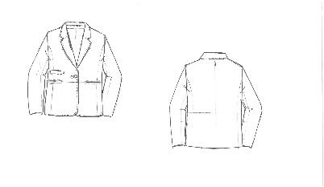
 |  |  |  |  | 100.00 |  | 5760 | 576000.00 |  | 28800.00 | 604800.00

 |  |  | No GST |  | Per Pair | 5760.00
 |  |  | With GST |  | Per Pair | 6048.00

LINING | POLYSTER LINING | BLACK | MTR | 2 | 200.00 | 55 | 110 | 11000.00 | 12% | 1320.00 | 12320.00

THREADS | TKT-30 | DARK RED | BOX | 100 | 10000.00 | 61 | 6.1 | 610.00 | 12% | 73.20 | 683.20
 | TKT-60 | DARK RED | BOX | 100 | 10000.00 | 257 | 5.14 | 514.00 | 12% | 61.68 | 575.68
 | TKT 50 | DARK RED | BOX | 50 | 5000.00 | 162 | 8.1 | 810.00 | 12% | 97.20 | 907.20

FUSING | FUSING | GREY | MTS | 0.5 | 50.00 | 18 | 9 | 900.00 | 18% | 162.00 | 1062.00
 | SOLUTIONS | NA | LITTER | 0.15 | 15.00 | 95 | 14.25 | 1425.00 | 18% | 256.50 | 1681.50
 | PAKKA TAP 3 MM | WHITE | MTS | 3.75 | 375.00 | 8 | 30 | 3000.00 | 18% | 540.00 | 3540.00

BUTTONS | l-36 |  | NOS | 2 | 200 | 15 | 30 | 3000.00 | 12% | 360.00 | 3360.00
 | L-32 |  | NOS | 2 | 200 | 15 | 30 | 3000.00 | 12% | 360.00 | 3360.00
 | l-18 |  | NOS | 2 | 200 | 2.5 | 5 | 500.00 | 12% | 60.00 | 560.00
LABELS | MAIN LABEL EMBORIRDY | NA | NOS | 1 | 100.00 | 30 | 30 | 3000.00 | 12% | 360.00 | 3360.00
 | MAIN LABEL BUYER | NA | NOS | 1 | 100.00 | 0 | 0 | 0.00 | 12% | 0.00 | 0.00
 | CARE LABEL | NA | NOS | 1 | 100.00 | 3.5 | 3.5 | 350.00 | 12% | 42.00 | 392.00
 | SIZE LABEL | NA | NOS | 1 | 100.00 | 3.5 | 4 | 350.00 | 12% | 42.00 | 392.00

PACKING MATERIALS | TAG | NA | NOS | 1 | 100.00 | 5 | 5 | 500.00 | 18% | 90.00 | 590.00
 | STICKER | NA | NOS | 1 | 100.00 | 5 | 5 | 500.00 | 18% | 90.00 | 590.00
 | POLY BAG | NA | KG | 1 | 100.00 | 12 | 12 | 1200.00 | 18% | 216.00 | 1416.00
 | BOX INNER PLY COVER | NA | KG | 0.2 | 20.00 | 115 | 15 | 1500.00 | 18% | 270.00 | 1770.00
 | TISSU PAPPER | NA | RIM | 2 | 200.00 | 1.35 | 2.7 | 270.00 | 18% | 48.60 | 318.60
 | BOXES | NA | NOS | 0.07 | 7.00 | 168 | 11.76 | 1176.00 | 18% | 211.68 | 1387.68
 | PACKING TAPE | BROWN | ROLL | 0.1 | 10.00 | 54 | 5.4 | 540.00 | 18% | 97.20 | 637.20
 |  |  |  |  |  |  | 341.95 | 34145.00 |  | 4758.06 | 38903.06
General | TESTING CHARGES-BUYER 1% |  | NOS | 0 | 100.00 | 0 | 0.00 | 0.00 | 18% | 0.00 | 0.00
 | GST CHARGE - 1% |  | NOS | 0 | 100.00 | 0 | 0.00 | 0.00 | 18% | 0.00 | 0.00
 | OFFICE O.H 5% |  | NOS | 0 | 100.00 | 0 | 0.00 | 0.00 |  | 0.00 | 0.00
 | COMMISSION 6% | 9180.00 | NOS | 550.8 | 100.00 | 550.8 | 550.80 | 55080.00 |  | 0.00 | 55080.00
. | DISCOUNT CHARGE 2.5% |  | NOS | 0 | 100.00 | 0 | 0.00 | 0.00 |  | 0.00 | 0.00
 | REJECTION 2% |  | NOS | 0 | 100.00 | 0 | 0.00 | 0.00 |  | 0.00 | 0.00
 | MAKING COST |  | NOS | 1200 | 100.00 | 1200 | 120000.00 | 12000000.00 |  | 0.00 | 12000000.00
 | Profit 10 % | 9180.00 | NOS | 918 | 1.00 | 918 | 918.00 | 918.00 |  | 0.00 | 918.00
C&F | FIRGHTCLEARING CHARGES |  | NOS | 450 | 100.00 | 450 | 45000.00 | 4500000.00 |  | 0.00 | 4500000.00
 |  |  |  |  | 100.00 |  | 166810.75 | 16590143.00 |  | 4758.06 | 16594901.06

 |  |  |  |  |  | With out GST
EURO | 108.00 | LEATHER PER PAIR |  |  |  | 5760.00
85 | 9180 | MATERIALS PER PAIR |  |  |  | 165901.43
 |  | Total Cost |  |  |  | 171661.43
EURO | 96.63
95 | 9180.00 |  |  |  |  | 2019.5462353
 |  |  | Materials
 |  |  | NO GST | 165901.43 | Per Pair
 |  |  | With GST | 165949.01 | Per Pair

 |  |  | With GST |  | No GST
 | LEATHER PER GARMENTS |  | 6048.00 |  | 5760.00
 | MATERIALS PER GARMENTS |  | 165949.01 |  | 165901.43
 | Total Cost |  | 171997.01 |  | 171661.43

 |  |  | 2023.4942424 |  | 2019.5462353

SP74020( SP74108)( G.SUEDE)
PAKKAR TANVEER EXPORTS
FACTORY STYLE
STYLE NO : SP74020( SP74108)( G.SUEDE)

Style Group | Material | Colour | UOM | Norms | Total Qty | Price | Per Pair Amount | AMOUNT | GST |  | AMOUNT WITH GST
SHEEP |  |  |  |  |  |  |  |  | RATE | AMOUNT
 | GOAT ( G.SUEDE) -185 | DARK RED | DCM | 205.00 | 205.00 | 12 | 2460 | 2460.00 | 5% | 123.00 | 2583.00
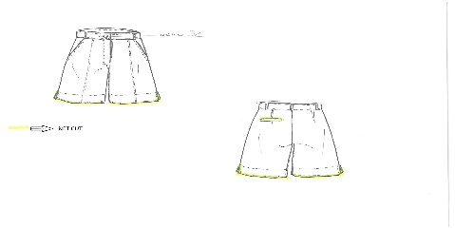
 |  |  |  |  | 1.00 |  | 2460 | 2460.00 |  | 123.00 | 2583.00

 |  |  | No GST |  | Per Pair | 2460.00
 |  |  | With GST |  | Per Pair | 2583.00

LINING | POLYSTER LINING | BLACK | MTR | 1.2 | 1.20 | 55 | 66 | 66.00 | 12% | 7.92 | 73.92
 | ECRU COTTONG LINING | ECRU | MTR | 0.75 | 0.75 | 135 | 101.25 | 101.25 | 12% | 12.15 | 113.40

THREADS | TKT-30 | DARK RED | BOX | 100 | 100.00 | 61 | 6.1 | 6.10 | 12% | 0.73 | 6.83
 | TKT-60 | DARK RED | BOX | 100 | 100.00 | 257 | 5.14 | 5.14 | 12% | 0.62 | 5.76
 | TKT 50 | DARK RED | BOX | 50 | 50.00 | 162 | 8.1 | 8.10 | 12% | 0.97 | 9.07

FUSING | FUSING | GREY | MTS | 0.5 | 0.50 | 18 | 9 | 9.00 | 18% | 1.62 | 10.62
 | SOLUTIONS | NA | LITTER | 0.15 | 0.15 | 95 | 14.25 | 14.25 | 18% | 2.57 | 16.82
 | PAKKA TAP 3 MM | WHITE | MTS | 3.75 | 3.75 | 8 | 30 | 30.00 | 18% | 5.40 | 35.40

BUTTONS | L-32 |  | NOS | 2 | 2 | 15 | 30 | 30.00 | 12% | 3.60 | 33.60
 | l-18 |  | NOS | 2 | 2 | 2.5 | 5 | 5.00 | 12% | 0.60 | 5.60
 | CFC ZIPPER |  | NOS | 1 | 1 | 25 | 25 | 25.00 | 12% | 3.00 | 28.00
LABELS
 | MAIN LABEL BUYER | NA | NOS | 1 | 1.00 | 0 | 0 | 0.00 | 12% | 0.00 | 0.00
 | CARE LABEL | NA | NOS | 1 | 1.00 | 3.5 | 3.5 | 3.50 | 12% | 0.42 | 3.92
 | SIZE LABEL | NA | NOS | 1 | 1.00 | 3.5 | 4 | 3.50 | 12% | 0.42 | 3.92

PACKING MATERIALS | TAG | NA | NOS | 1 | 1.00 | 5 | 5 | 5.00 | 18% | 0.90 | 5.90
 | STICKER | NA | NOS | 1 | 1.00 | 5 | 5 | 5.00 | 18% | 0.90 | 5.90
 | POLY BAG | NA | KG | 1 | 1.00 | 12 | 12 | 12.00 | 18% | 2.16 | 14.16
 | BOX INNER PLY COVER | NA | KG | 0.2 | 0.20 | 115 | 15 | 15.00 | 18% | 2.70 | 17.70
 | TISSU PAPPER | NA | RIM | 2 | 2.00 | 1.35 | 2.7 | 2.70 | 18% | 0.49 | 3.19
 | BOXES | NA | NOS | 0.07 | 0.07 | 168 | 11.76 | 11.76 | 18% | 2.12 | 13.88
 | PACKING TAPE | BROWN | ROLL | 0.1 | 0.10 | 54 | 5.4 | 5.40 | 18% | 0.97 | 6.37
 |  |  |  |  |  |  | 364.20 | 363.70 |  | 50.25 | 413.95
General | TESTING CHARGES-BUYER 1% |  | NOS | 0 | 1.00 | 0 | 0.00 | 0.00 | 18% | 0.00 | 0.00
 | GST CHARGE - 1% |  | NOS | 0 | 1.00 | 0 | 0.00 | 0.00 | 18% | 0.00 | 0.00
 | OFFICE O.H 5% |  | NOS | 0 | 1.00 | 0 | 0.00 | 0.00 |  | 0.00 | 0.00
 | COMMISSION 6% | 5100.00 | NOS | 306 | 1.00 | 306 | 306.00 | 306.00 |  | 0.00 | 306.00
. | DISCOUNT CHARGE 2.5% |  | NOS | 0 | 1.00 | 0 | 0.00 | 0.00 |  | 0.00 | 0.00
 | REJECTION 2% |  | NOS | 0 | 1.00 | 0 | 0.00 | 0.00 |  | 0.00 | 0.00
 | MAKING COST |  | NOS | 1000 | 1.00 | 1000 | 1000.00 | 1000.00 |  | 0.00 | 1000.00
 | Profit 10 % | 5100.00 | NOS | 510 | 1.00 | 510 | 510.00 | 510.00 |  | 0.00 | 510.00
C&F | FIRGHTCLEARING CHARGES |  | NOS | 450 | 1.00 | 450 | 450.00 | 450.00 |  | 0.00 | 450.00
 |  |  |  |  | 1.00 |  | 2630.20 | 2629.70 |  | 50.25 | 2679.95

 |  |  |  |  |  | With out GST
EURO | 60.00 | LEATHER PER PAIR |  |  |  | 2460.00
85 | 5100 | MATERIALS PER PAIR |  |  |  | 2629.70
 |  | Total Cost |  |  |  | 5089.70
EURO | 53.68
95 | 5100.00 |  |  |  |  | 59.878823529
 |  |  | Materials
 |  |  | NO GST | 2629.70 | Per Pair
 |  |  | With GST | 2679.95 | Per Pair

 |  |  | With GST |  | No GST
 | LEATHER PER GARMENTS |  | 2583.00 |  | 2460.00
 | MATERIALS PER GARMENTS |  | 2679.95 |  | 2629.70
 | Total Cost |  | 5262.95 |  | 5089.70

 |  |  | 61.917065882 |  | 59.878823529

SP74009( G.SUEDE)
PAKKAR TANVEER EXPORTS
FACTORY STYLE
STYLE NO : SP74009( G.SUEDE)

Style Group | Material | Colour | UOM | Norms | Total Qty | Price | Per Pair Amount | AMOUNT | GST |  | AMOUNT WITH GST
SHEEP |  |  |  |  |  |  |  |  | RATE | AMOUNT
 | GOAT ( G.SUEDE) 321 | DARK RED | DCM | 341.00 | 341.00 | 12 | 4092 | 4092.00 | 5% | 204.60 | 4296.60
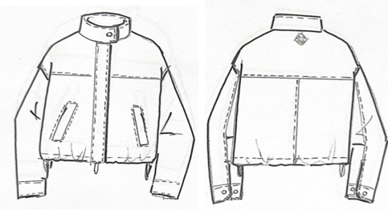
 |  |  |  |  | 1.00 |  | 4092 | 4092.00 |  | 204.60 | 4296.60

 |  |  | No GST |  | Per Pair | 4092.00
 |  |  | With GST |  | Per Pair | 4296.60

LINING | POLYSTER LINING | DARK RED | MTR | 1.2 | 1.20 | 55 | 66 | 66.00 | 12% | 7.92 | 73.92

THREADS | TKT-30 | DARK RED | BOX | 100 | 100.00 | 61 | 6.1 | 6.10 | 12% | 0.73 | 6.83
 | TKT-60 | DARK RED | BOX | 100 | 100.00 | 257 | 5.14 | 5.14 | 12% | 0.62 | 5.76
 | TKT 50 | DARK RED | BOX | 50 | 50.00 | 162 | 8.1 | 8.10 | 12% | 0.97 | 9.07

FUSING | FUSING | GREY | MTS | 0.5 | 0.50 | 18 | 9 | 9.00 | 18% | 1.62 | 10.62
 | SOLUTIONS | NA | LITTER | 0.15 | 0.15 | 95 | 14.25 | 14.25 | 18% | 2.57 | 16.82
 | PAKKA TAP 3 MM | WHITE | MTS | 3.75 | 3.75 | 8 | 30 | 30.00 | 18% | 5.40 | 35.40

BUTTONS | NO: 5 TWO WAY ZIPPER NICKEL |  | NOS | 1 | 1 | 130 | 130 | 130.00 | 12% | 15.60 | 145.60
 | METAL STOPER |  | NOS | 2 | 2 | 18 | 36 | 36.00 | 12% | 4.32 | 40.32
 | SNAP BUTTONS 5/5 NICKEL |  | NOS | 8 | 8 | 8 | 64 | 64.00 | 12% | 7.68 | 71.68
 | EYELETES 6MM |  | NOS | 4 | 4 | 5 | 20 | 20.00 | 12% | 2.40 | 22.40
 | ROPE COTTONS |  | NOS | 1.5 | 1.5 | 25 | 37.5 | 37.50 | 12% | 4.50 | 42.00

LABELS | MAIN LABEL EMBORIDY |  | NOS | 1 | 1 | 30 | 30 | 30.00 | 12% | 3.60 | 33.60
 | MAIN LABEL BUYER | NA | NOS | 1 | 1.00 | 0 | 0 | 0.00 | 12% | 0.00 | 0.00
 | CARE LABEL | NA | NOS | 1 | 1.00 | 3.5 | 3.5 | 3.50 | 12% | 0.42 | 3.92
 | SIZE LABEL | NA | NOS | 1 | 1.00 | 3.5 | 4 | 3.50 | 12% | 0.42 | 3.92

PACKING MATERIALS | TAG | NA | NOS | 1 | 1.00 | 5 | 5 | 5.00 | 18% | 0.90 | 5.90
 | STICKER | NA | NOS | 1 | 1.00 | 5 | 5 | 5.00 | 18% | 0.90 | 5.90
 | POLY BAG | NA | KG | 1 | 1.00 | 12 | 12 | 12.00 | 18% | 2.16 | 14.16
 | BOX INNER PLY COVER | NA | KG | 0.2 | 0.20 | 115 | 15 | 15.00 | 18% | 2.70 | 17.70
 | TISSU PAPPER | NA | RIM | 2 | 2.00 | 1.35 | 2.7 | 2.70 | 18% | 0.49 | 3.19
 | BOXES | NA | NOS | 0.07 | 0.07 | 168 | 11.76 | 11.76 | 18% | 2.12 | 13.88
 | PACKING TAPE | BROWN | ROLL | 0.1 | 0.10 | 54 | 5.4 | 5.40 | 18% | 0.97 | 6.37
 |  |  |  |  |  |  | 520.45 | 519.95 |  | 69.00 | 588.95
General | TESTING CHARGES-BUYER 1% |  | NOS | 0 | 1.00 | 0 | 0.00 | 0.00 | 18% | 0.00 | 0.00
 | GST CHARGE - 1% |  | NOS | 0 | 1.00 | 0 | 0.00 | 0.00 | 18% | 0.00 | 0.00
 | OFFICE O.H 5% |  | NOS | 0 | 1.00 | 0 | 0.00 | 0.00 |  | 0.00 | 0.00
 | COMMISSION 6% | 7225.00 | NOS | 433.5 | 1.00 | 433.5 | 433.50 | 433.50 |  | 0.00 | 433.50
. | DISCOUNT CHARGE 2.5% |  | NOS | 0 | 1.00 | 0 | 0.00 | 0.00 |  | 0.00 | 0.00
 | REJECTION 2% |  | NOS | 0 | 1.00 | 0 | 0.00 | 0.00 |  | 0.00 | 0.00
 | MAKING COST |  | NOS | 1000 | 1.00 | 1000 | 1000.00 | 1000.00 |  | 0.00 | 1000.00
 | Profit 10 % | 7225.00 | NOS | 722.5 | 1.00 | 722.5 | 722.50 | 722.50 |  | 0.00 | 722.50
C&F | FIRGHTCLEARING CHARGES |  | NOS | 450 | 1.00 | 450 | 450.00 | 450.00 |  | 0.00 | 450.00
 |  |  |  |  | 1.00 |  | 3126.45 | 3125.95 |  | 69.00 | 3194.95

 |  |  |  |  |  | With out GST
EURO | 85.00 | LEATHER PER PAIR |  |  |  | 4092.00
85 | 7225 | MATERIALS PER PAIR |  |  |  | 3125.95
 |  | Total Cost |  |  |  | 7217.95
EURO | 76.05
95 | 7225 |  |  |  |  | 84.917058824
 |  |  | Materials
 |  |  | NO GST | 3125.95 | Per Pair
 |  |  | With GST | 3194.95 | Per Pair

 |  |  | With GST |  | No GST
 | LEATHER PER GARMENTS |  | 4296.60 |  | 4092.00
 | MATERIALS PER GARMENTS |  | 3194.95 |  | 3125.95
 | Total Cost |  | 7491.55 |  | 7217.95

 |  |  | 88.135889412 |  | 84.917058824

